KA Summary
Key - Account - Plan
KA Summary |  |  |  |  |  |  |  |  |  | 3

KA Analysis
(TUV Cooperation with KA)
History: | Business started from 2008

Recently: | Normal

Any possiblity to extend the business?
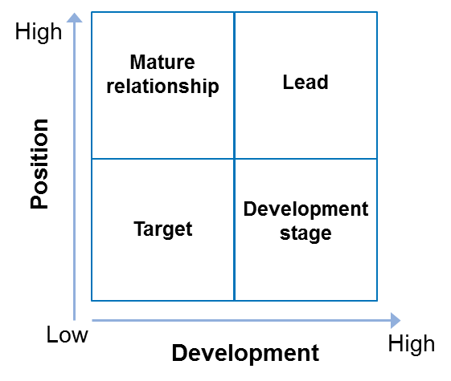

Position and development
Target |  | Lead |  | Development stage |  |  | Mature relationship
□ |  | □ |  | □ |  |  | x

Fact sheet
(Profile, core business, products&services, market&regions, unique selling proposition)
(brands, KA competitors)
Mainly business in Food grade product (e.g. Household kitchenware) Market in Eastern Europe, North America, Western Europe Brand name: Fackelmann Competitors: SGS, ITS
Markets
(Growth rates, technologies, regulation/laws with impact on business)
(KA goals)
Forecast: Increase around 5% on business in 2016 Mainly foodgrade testing for German, French and Italy regulation. The testing of these countries can include around 80% in our overall testing. Netherland enquiry/testing will start in 2016
Decision (layer, process)
(Quality of relationship, authorities, mandats)
Can keep good relationship with EQH and maintain around 3M -4M per year.
TRG Competitors
(TRG Competitor, strength, weaknesses, business with KA, consequences for our business)
Main competitor: SGS, ITS Strength: Good platform for testing services in order to attract more potential client (e.g. more discount price, good technical support and customer services) SGS is a well-known brand name and many EQH buyers prefer to assign the testing to SGS rather than TUVR
Major service | Target Market share and major competitor (Year 2015)
 | TRG | SGS | UL | ITS | BV | Nemko | TUV SUD | TUV Nord | Others
Foodgrade testing |  | 40%

Major service | Target Market share and major competitor (Year 2014)
 | TRG | SGS | UL | ITS | BV | Nemko | TUV SUD | TUV Nord | Others
Foodgrade testing |  | 40% |  | 10%

Projects
*Important:
Project value > 100K (RMB)
New service inquiry
Cross BL selling opportunity
Cross region selling opportunity.
Key - Account - Plan
Projects |  |  |  |  |  |  |  |  |  | 5
 |  |  |  |  | 2016 budget Exchange rate: EUR/RMB=6.9
Important* opportunities won in last 12 month
 |  | Description |  | when | Value |  | Reasons
 |  |  |  |  | € | RMB
- | nnnnnn
- | nnnnnn
- | nnnnnn
- | nnnnnn

Important* opportunities lost in last 12 month
 |  | Description |  | when | Value |  | Reasons
 |  |  |  |  | € | RMB
- | nnnnnn
- | nnnnnn
- | nnnnnn
- | nnnnnn

Important* projects won in last 12 months
 |  | Description |  | when | Value |  | Reasons
 |  |  |  |  | € | RMB
- | nnnnnn
- | nnnnnn
- | nnnnnn
- | nnnnnn

Important* projects lost in last 12 months
 |  | Description |  | when | Value |  | Reasons
 |  |  |  |  | € | RMB
- | nnnnnn
- | nnnnnn
- | nnnnnn
- | nnnnnn
 |  |  | *important: significantly for your targets (KA, country or region)
2) Open opportunities

Opportunity
 |  | Probability to win | Description |  | when |  | Value |  | Action
 |  |  |  |  |  |  | € | RMB
- | nnnnnn
- | nnnnnn
- | nnnnnn
- | nnnnnn

 |  |  |  |  |  |  |  | Version SLOGAN 11_2013

Activities
Key - Account - Plan
Activities |  |  |  |  |  |  |  | 6
* Please plan madatory KAT Meeting at least once a quarter.
Key Account Action Plan |  |  |  |  | Action Records
Plan Action (When) | (For What/Why) | *How (Action Type) | Who | Where (Location) | Finish Day |  | Result
 |  |  |  |  | Month | Day
Jan | Package price for foodgrade testing | Opperational issues | Steven Cheung/Edward To | By phone/email | Jan | 21 | The package price will compare with other compeitor
Jan | Buyer program discussion | Risk / Setbacks | Andy Lee/Edward To | By phone | Jan | 22 | Discuss the solution with other team
Jan | Kaufland order problem | Risk / Setbacks | Andy Lee/Edward To | By phone | Jan | 25 | Have discussion with Kai Fisher to find the solution
Feb | Test service review | Opperational issues | Andy Lee/Edward To | By phone | Feb | 25 | Listen client's feedback and will improve our testing services accordingly.
Mar | Test service review | Opperational issues | Andy Lee/Edward To | By phone | Mar | 18 | The package price released to EQH already and will confirm to us accordingly.

↓↓ Not available.
Customer Appointments

 | Date / Location | Topics discussed | Participants | Owner of activity | Due Date
1
2
3
4

New Business / opportunities

 | Service / Location | Business | Participants | Owner of activity | Due Date
1
2
3
4

Risk / Setbacks

 | Service / Location | Business | Participants | Owner of activity | Due Date
1
2
3
4

Operational issues

 | Service / Location | Business | Participants | Owner of activity | Due Date
1
2
3
4

Performance review
Key - Account - Plan
Performance review |  |  |  |  |  |  |  |  |  | 12
Plan growth rate: |  | 5% | Currency = RMB

Incoming Order | Quarterly Performance |  |  |  |  | Accumulate
Period | 2015 | 2016 Target | 2016 Actual | QoQ, YoY | Achieve Rate | 2015 | 2016 Target | 2016 Actual | Achieve Rate
Q1 | 503,595 | 528,775 | 315,762 | -37% | 60% | 503,595 | 528,775 | 315,762 | 60%
Q2 | 809,337 | 849,804 | 0 | -100% | 0% | 1,312,932 | 1,378,579 | 315,762 | 23%
Q3 | 399,194 | 419,154 | 0 | -100% | 0% | 1,712,126 | 1,797,733 | 315,762 | 18%
Q4 | 666,443 | 699,765 | 0 | -100% | 0% | 2,378,569 | 2,497,498 | 315,762 | 13%
Total | 2,378,569 | 2,497,498 | 315,762 | -87% | 13% | 2,378,569 | 2,497,498 | 315,762 | 13%

Sales | Quarterly Performance |  |  |  |  | Accumulate
Period | 2015 | 2016 Target | 2016 Actual | QoQ, YoY | Achieve Rate | 2015 | 2016 Target | 2016 Actual | Achieve Rate
Q1 | 644,074 | 676,278 | 312,846 | -51% | 46% | 644,074 | 676,278 | 312,846 | 46%
Q2 | 797,820 | 837,711 | 0 | -100% | 0% | 1,441,894 | 1,513,989 | 312,846 | 21%
Q3 | 518,286 | 544,200 | 0 | -100% | 0% | 1,960,180 | 2,058,189 | 312,846 | 15%
Q4 | 647,254 | 679,617 | 0 | -100% | 0% | 2,607,434 | 2,737,806 | 312,846 | 11%
Total | 2,607,434 | 2,737,806 | 312,846 | -88% | 11% | 2,607,434 | 2,737,806 | 312,846 | 11%

Quarterly Performance
2016 Actual I/OBL distribution
IS
MT
Rail
SL | 13,583
HL | 302,178
EL
CP
MED
SFT
Food
T&C
SA

 | Q1 | Q2 | Q3 | Q4
2015 I/O-Actual | 2,378,569 | 2,378,569 | 2,378,569 | 2,378,569
2016 I/O-Target | 2,497,498 | 2,497,498 | 2,497,498 | 2,497,498
2016 I/O-Actual | 315,762 | 315,762 | 315,762 | 315,762
2016 Sales-Actual | 312,846 | 312,846 | 312,846 | 312,846

